Sheet1
Q4.a
i)
Finite State Machine

S = | Set of States(behaviours)e.g. Idle, Patrol, Search, Chase, Attack
T = | Set of Transitions e.g. Nothing, See Enemy, Hear Enemy, Was Attacked, being within melee range
 | i.e. Triggers of going from one state to another
f: SxT -> S | f: Transition function - takes a state and transition and produces another state

ii)
sample code on rob Lect sheet
Sensing
Thinking
Action

iii)
 | Hierarchial FSM
 | A finite state machine inside the state of another finite state machine

 | Markov Models
 | A finite state machine which uses 'randomness' to decide moves

Q4.b

i) | A search problem in AI is a problem which may be modeled by a Tree or a Graph
 | The solution is usually found by searching or applying an algorithm to the Tree/Graph

 | Loops and connectedness - A graph with nodes and edges
 | A Tree is a graph which A - Has no Loops and B- is connected
 | Tree has a root and connects down to other nodes via Branches

 | In regards to the Chess/Draught (turn based games) game:

 | In turn based games, lets assume that the game is at any given stage:

ii) | A Utility Function is a function that applies a number to a leaf(an end-game scenario) of the tree
 | Usually: 1 for a winning leaf and
 | -1 for a loosing leaf
 | 0 for a drawing leaf!

* | MIN/MAX Algorithm |  |  | work up from bottom ->

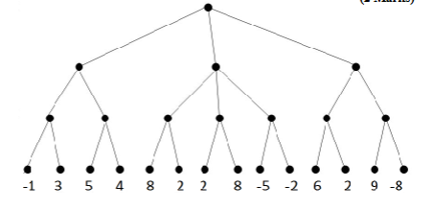

 |  |  |  | MAX | Choose max value between choices

 |  |  |  | MIN | Choose min value between choices

 |  |  |  | MAX | Choose max value between choices

 |  |  |  | Utility function values (end-game)

 | *Use the min/max algorithm to filter these values back to the root, which allows us to choose the best move

iii)
 | Chess | 21 possible first moves
 |  | Branching Factor (possible number of moves on each go
 |  | Led to Trees that are too big to produce/store or process

 | An Evaluation Fuction - | applies the min/max algoritm to a certain depth to evaluate the best outcome, once reached that depth it uses the min/max again to another lower depth!
 |  | *Assigns a number describing the state of the game, a given ply depth
 |  | *Min/Max used as before with these numbers

 | To improve performance:
 | *Pruning - Alpha/Beta Pruning |  | Cuts off the big loss branches
 | *Using symmetry

